Enabling Vendors
Enabling Vendors
https://help.sap.com/docs/sisgw/sap-ariba-cloud-integration-gateway-configuration-guide/how-to-enable-vendors

To ensure seamless transactions on SAP Business Network, it's imperative to maintain entries in the "SAP Business Network Vendor Table" (ARBCIG_AN_VENDOR) table for vendors you wish to transact with. It's necessary to associate each vendor with the relevant company code. This combination of Company Code and Vendor is essential for the Add-on code to filter specific documents like Purchase Orders, Goods Receipts, Invoice Status Updates (ISU), and Payment Proposals (PP) to be transmitted from your backend SAP system to SAP Business Network.

Failure to maintain an entry in this table for any vendor (along with its respective Company Code) will result in none of that vendor's documents being sent to SAP Business Network.

Follow the steps below to manage entries in the "Enable Vendors" table:

1. Using the transaction code SPRO, navigate to Integration with Other SAP Components > Managed Gateway for Spend&Network for Buyer > SAP Business Network Integration > General Settings.
2. Select IMG-Activity for Enable Vendors.
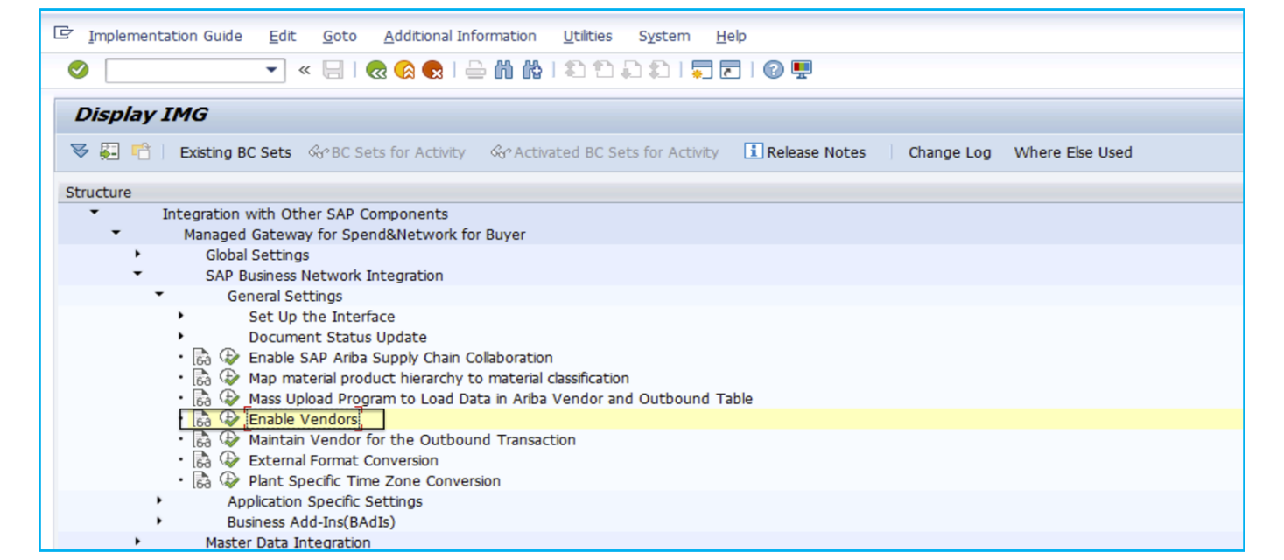

3. On the Change View "SAP Business Network Vendor Table": Overview screen, select New Entries.
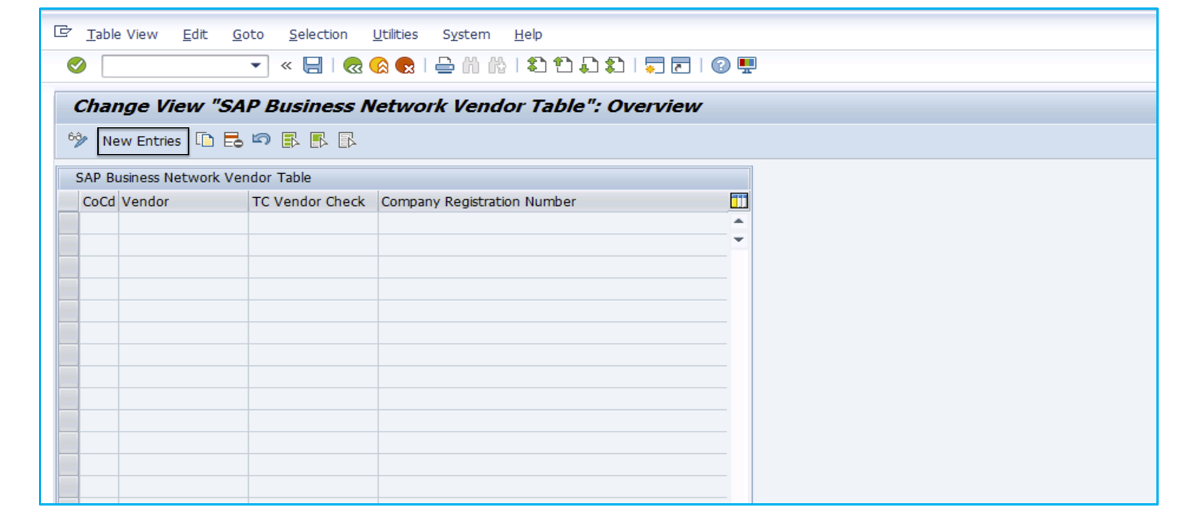

4. On the New Entries: Overview of Added Entries screen, maintain the vendor and associated company code for each of the vendors you want to enable for transacting with SAP Business Network in the CoCd and Vendor fields.
5. Mark X (in uppercase) in the TC Vendor Check field if the vendor will be used in Test-Central.
6. Provide the value in the Company Registration Number field, if you are using Payment Batch integration.

7. Select Save.

